Workout
Valuation
Transaction Comparables

Workout
 | Below is Unilever share price information from February 2017. A bid was launched by Kraft-Heinz (later withdrawn). On what date was the bid launched?

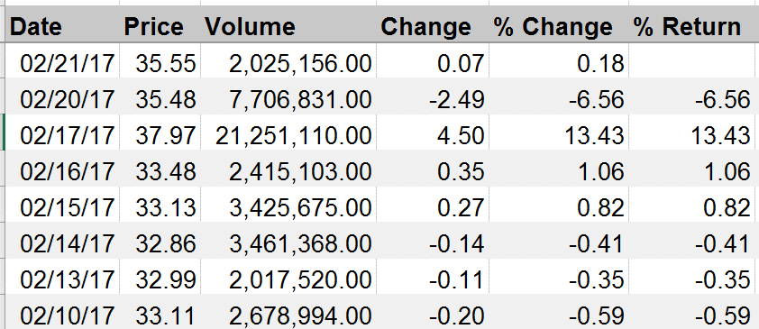

End

